Sheet1
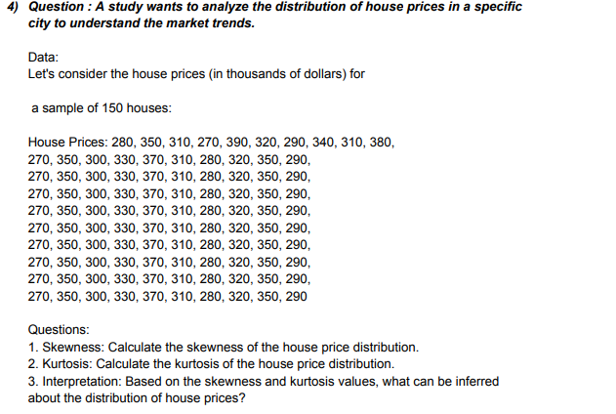
DATA |  |  |  |  | ANSWERS
280 | 270 | 270 | 270 | 270 | Skewness | 0.2092186248
350 | 350 | 350 | 350 | 350 | Kurtosis | -1.0374244845
310 | 300 | 300 | 300 | 300 | Interpretation | The data is negatively or left skewed, that means the distribution of prices for different houses across the city is almost equal.
270 | 330 | 330 | 330 | 330 | Mean | 317.7
390 | 370 | 370 | 370 | 370 | Median | 315
320 | 310 | 310 | 310 | 310 | Mode | 350
290 | 280 | 280 | 280 | 280
340 | 320 | 320 | 320 | 320
310 | 350 | 350 | 350 | 350
380 | 290 | 290 | 290 | 290
270 | 270 | 270 | 270 | 270
350 | 350 | 350 | 350 | 350
300 | 300 | 300 | 300 | 300
330 | 330 | 330 | 330 | 330
370 | 370 | 370 | 370 | 370
310 | 310 | 310 | 310 | 310
280 | 280 | 280 | 280 | 280
320 | 320 | 320 | 320 | 320
350 | 350 | 350 | 350 | 350
290 | 290 | 290 | 290 | 290

